Hair Styling Products
Item Description | UPC | Total Units | Product Dimensions | Photo | Retail Price | Total Retail Price | MADE IN | Product Description
Fantasia IC Hair Polisher Styling Gel with Sparkle Lites, 16 Ounce | 11313019924 | 1,816 | 3.5 x 3.5 x 3.5 inches; 15.2 Ounces | 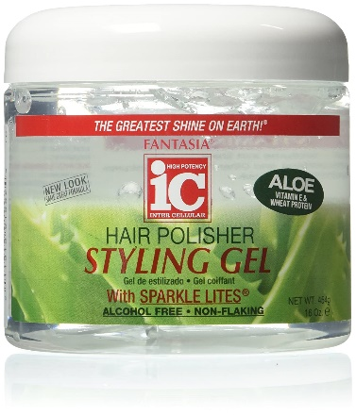 | $5.29 | $9,606.64 | USA | The Fantastia IC Polish Gel Regular is enriched with a formula which provides great shine and vitality to your hair. It is perfect for blow styling, roller sets, molding, and lifting, sculpting and other hair styling techniques. It straight away acts on curly hair to give it an instant smoothness. Also what's amazing is that it does not flake.Enriched with spark lites formulaEasy on hairInstantly smoothes hairIt contains special moisturizing agents which repair and condition dry, damaged hair and also soothes the scalp. Suits all hair types/ No Alcohol
 | 885781089204
 | 787461705001
 | 787734051156
The Mane Choice Pink Lemonade & Coconut Super Antioxidant & Texture Beautifier Conditioner 8 oz | 850093005501 | 126 | 1.8 x 1.8 x 7.3 inches; 8.8 Ounces | 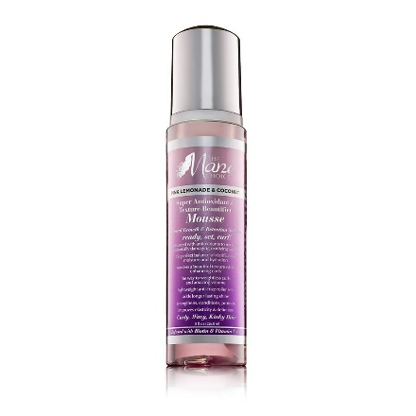 | $13.99 | $1,762.74 | USA | Pink Lemonade & Coconut Super Antioxidant & Texture Beautifier Conditioner is formulated to soften and add lightweight moisture to curls. Moisturizing botanicals help reduce breakage and improve shine. Infused with antioxidants to protect hair from damage.
Wet Brush Lift & Shape Round Brush - for All Hair Types - A Perfect Blow Out with Less Pain, Effort and Breakage - Open Barrel Design For Versatile Styling In Less Time | 736658575279 | 384 | 3.94 x 3.94 x 11.8 inches; 7.05 Ounces | 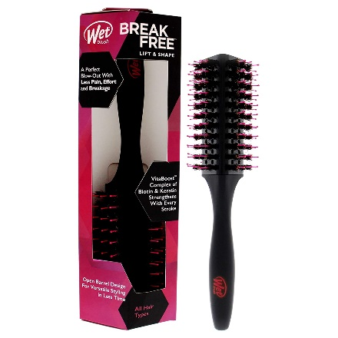 | $14.99 | $5,756.16 | Imported | Instantly perfect your blow-out skills with the Wet Brush Lift & Shape Fast Dry Brush. It's VitaBoost-infused barrel features a triangular shape and a variety of bristles that work to ensure smoothness and shine with every stroke.
Wet Brush Original Detangler Hair Brush - Purple - Exclusive Ultra-soft IntelliFlex Bristles - Glide Through Tangles With Ease For All Hair Types | 736658954111 | 1,176 | 0.62 x 1.1 x 4.19 inches; 2.4 Ounces | 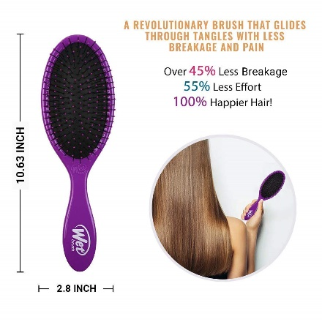 | $8.99 | $10,572.24 | Imported | Wet Brush is an award-winning brush that helps hair stay strong and healthy. The Original Detangler gently loosens knots, on wet or dry hair, without pulling or snagging. Exclusive, ultra-soft IntelliFlex® bristles glide through tangles on all hair types with ease Minimizes pain and protects against split ends and breakage Lets you brush with less force, so you can detangle with less damage to your hair Includes one purple original detangler brush
Wet Brush Hair Brush Shower Detangler - Black Glitter - Shower Hair Brush With Ultra-soft IntelliFlex Bristles - Glide Through Tangles With Ease For All Hair Types - For Women, Men, Wet And Dry Hair | 736658581119 | 72 | 1.77 x 2.76 x 11.42 inches; 2.4 Ounces | 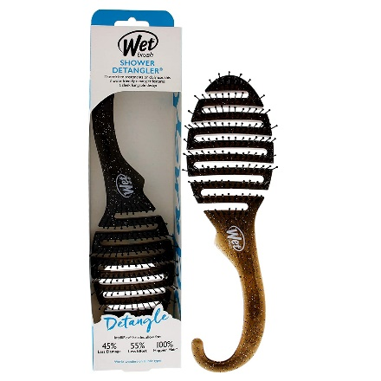 | $11.99 | $863.28 | Imported | SHOWER DETANGLER: Beautify in the bath tub with a shower-friendly detangling brush featuring a sleek hangable design. INTELLIFLEX BRISTLES: The exclusive IntelliFlex bristles minimize pain, split ends and breakage of hair, provides a healthy and effective way for hair care. It provides Over 45% less damage. 56% less effort for happier hair.
Curly Chic Your Mane Moisturizer | 3855401004501 | 84 | 2.3"L x2.3"W x5.6"H | 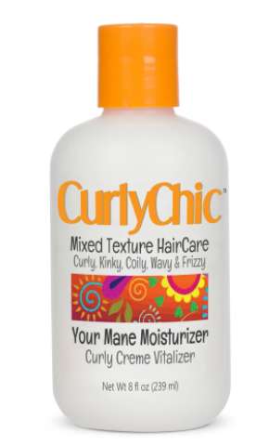 | $9.18 | $771.12 | Imported | Curly Chic Mixed Hair Care Your Mane Moisturizer Curly Creme Vitalizer, Moisture and condition your curls daily with this creamy, lightweight curl lotion. Your curls will be noticeably softer, shinier and healthier with each ultra hydrating use. Developed for curly, kinky, coily, wavy, and frizzy hair. Our amazing coconut oil curl lotion hydrates and revitalizes thirsty curls. Sulfate and Paraben Free. No Petrolatum or Mineral Oil. Great for curly girls, and guys of all ages.
Design Essentials Curl Enhancing Mousse, Almond and Avocado Collection, 7.5 Ounces | 875408004369 | 78 | 3 x 2 x 1 inches; 7.5 Ounces | 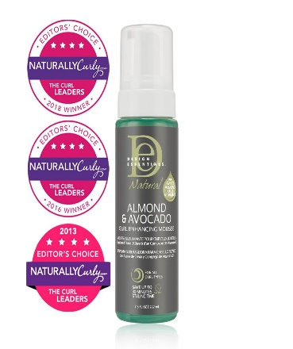 | $15.99 | $1,247.22 | USA | Make your waves, curls, and coils turn heads with this Curl Enhancing Mousse that helps revamp and nourish hair with intense moisture featuring almond and avocado oil for healthier hair.
 |  | 3,736 |  |  |  | $30,579.40

